SIT-OVM-MAO-03
▣ Scenario SIT-OVM-MAO-03 : OVMC’s message Handling(OSCVM)

Communication
OVMC
Connection
Connect
Accept
Send Control Message
OSCVM
▶ Desc & Flow
Description |  | OSCVM receives control messages from OVMC such as activation, deactivation, master OVMC’s setting information (for tram), etc.
Biz flow ( It describe briefly )

▶ Advance preparation
Preparation |  | OVMC 1 EA, OSCVM 1 EA

▶ Data
NO | Item | 1 | 2 | 3 | 4 | 5
1 | N/A

001
Test Case SIT-OVM-MAO-03-001 : Validate Active Mode Message

1. Test Scenario
Test date |  | 1st |  | Tester |  | 1st
 |  | 2nd |  |  |  | 2nd
 |  | 3rd |  |  |  | 3rd

Select a route
Receives Active Mode
Changes the status
Description |  | Validation active mode message |  |  |  |  | Written by
Flow

NO | Task | Test data | Expected result | Person in charge | Result |  | Pass/Fail |  |  | Remark
 |  |  |  |  |  |  | 1st | 2nd | 3rd
1 | [Driver selects a route ] 1.Driver selects a route | Test Data A: route | Success to select |  | 1st |  |  |  |  | Test Data:C
 |  |  |  |  | 2nd
 |  |  |  |  | 3rd
2 | [Receive active mode message] 1.OSCVM receives active mode message to OVMC | Test Data B: Validation active mode message | Success to send |  | 1st
 |  |  |  |  | 2nd
 |  |  |  |  | 3rd
3 | [Changes the status ] 1.OSCVM changes the status to active mode |  | Succes to read card and validate |  | 1st |  |  |  |  | Test Data:D
 |  |  |  |  | 2nd
 |  |  |  |  | 3rd

NO | Item
A | route
B | message | Validation active mode message
C | 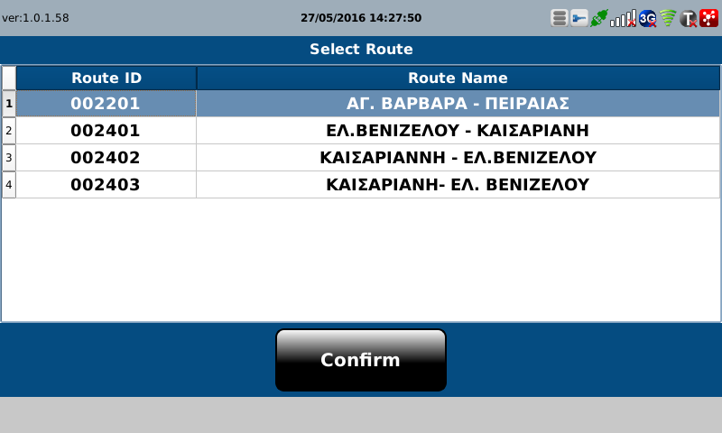 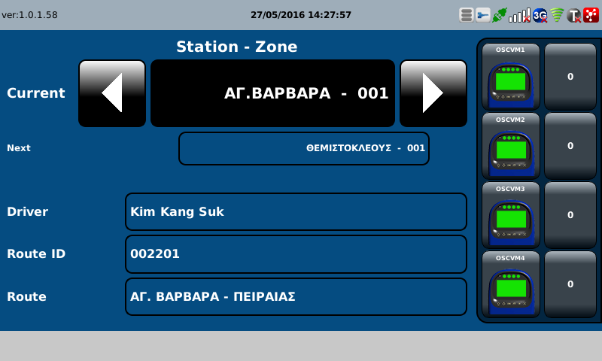

D | 

002
Test Case SIT-OVM-MAO-03-002 : Inspection Mode Message

1. Test Scenario
Test date |  | 1st |  | Tester |  | 1st
 |  | 2nd |  |  |  | 2nd
 |  | 3rd |  |  |  | 3rd

Inspector Taps card
Receive Inspection Mode Message
Changes Status
Description |  | Inspection mode message |  |  |  |  | Written by
Flow

NO | Task | Test data | Expected result | Person in charge | Result |  | Pass/Fail |  |  | Remark
 |  |  |  |  |  |  | 1st | 2nd | 3rd
1 | [Inspector Taps card ] 1.Inspcetor taps ınspector card to OSCVM | Test Data A: Tapping Inspector Card | Success to select |  | 1st
 |  |  |  |  | 2nd
 |  |  |  |  | 3rd
2 | [Send Inspection Mode Message] 1.OSCVM receives Inspection Mode Message from OVMC | Test Data B: Inspection Mode Message | Success to send |  | 1st |  |  |  |  | Test Data:C
 |  |  |  |  | 2nd
 |  |  |  |  | 3rd
3 | [ Changes the status] 1.OSCVM changes the status to Inspector mode |  | Not Succes to read card and validate |  | 1st |  |  |  |  | Test Data:D
 |  |  |  |  | 2nd
 |  |  |  |  | 3rd

NO | Item
A | Tapping Inspector Card
B | Inspection Mode Message
C | 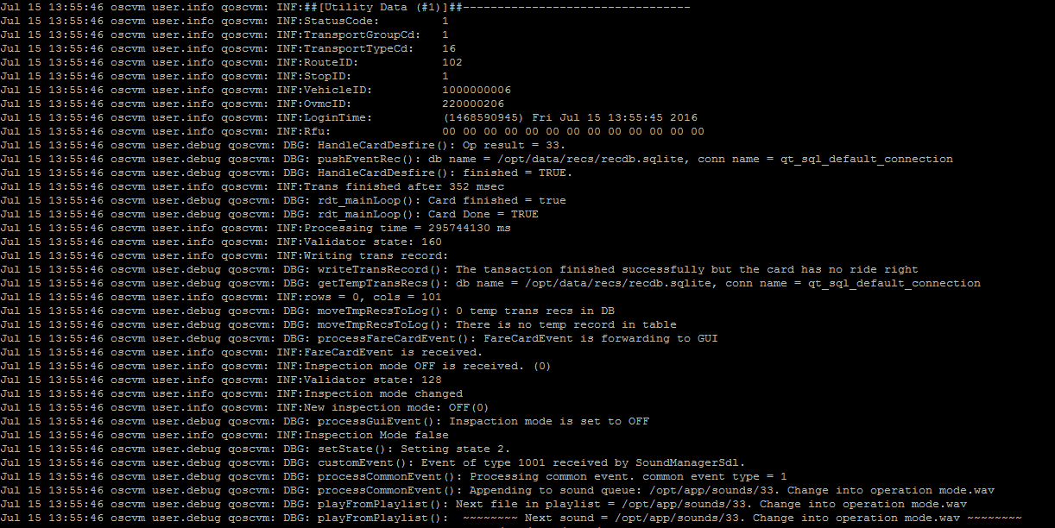

D | 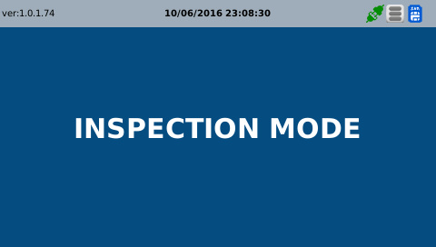 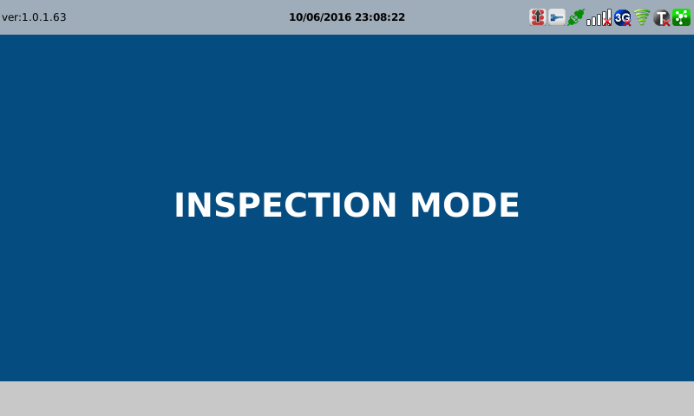

003
Test Case SIT-OVM-MAO-03-004 : Validate InActive Mode Message

1. Test Scenario
Test date |  | 1st |  | Tester |  | 1st
 |  | 2nd |  |  |  | 2nd
 |  | 3rd |  |  |  | 3rd

Driver presses Finish/End Button
Send deactive mode message
Change the status
Description |  | Validate deactive mode message |  |  |  |  | Written by
Flow

NO | Task | Test data | Expected result | Person in charge | Result |  | Pass/Fail |  |  | Remark
 |  |  |  |  |  |  | 1st | 2nd | 3rd
1 | [Driver presses Finish/End Button ] 1.Driver presses Finish/End Button from OVMC |  | Success to press |  | 1st
 |  |  |  |  | 2nd
 |  |  |  |  | 3rd
2 | [Send deactive mode message] 1.OVMC Sends deactive mode message to OSCVM | Test data : A | Success to send |  | 1st |  |  |  |  | Test Data:B
 |  |  |  |  | 2nd
 |  |  |  |  | 3rd
3 | [Change the status] 1.OSCVM changes status to deactive mode |  | Success to Change status |  | 1st |  |  |  |  | Test Data:C
 |  |  |  |  | 2nd
 |  |  |  |  | 3rd

NO | Item
A | message | Validation deactive mode message
B

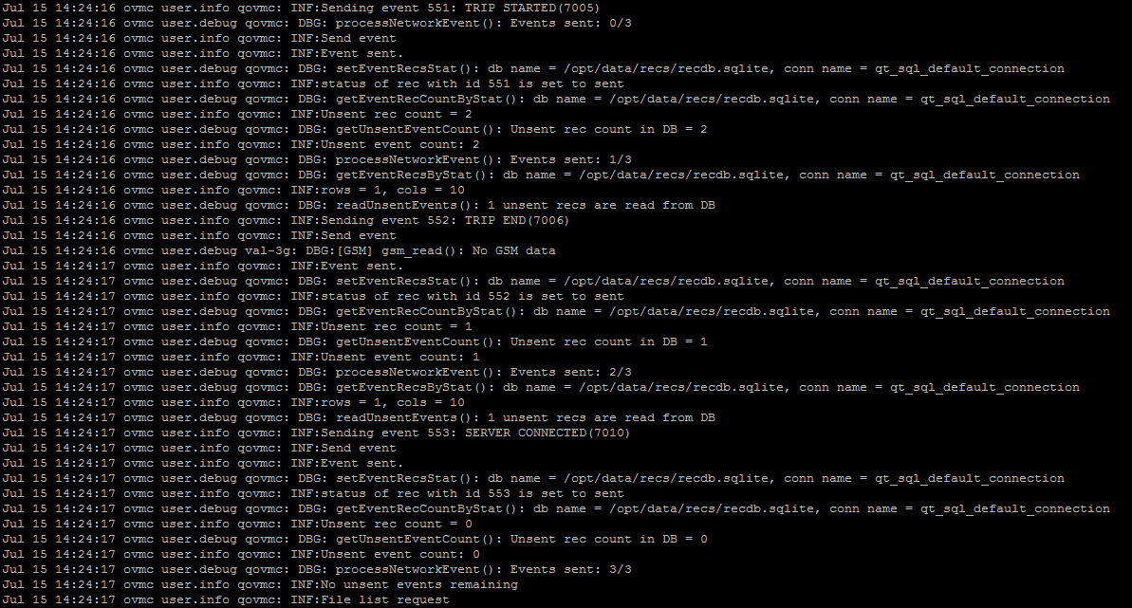

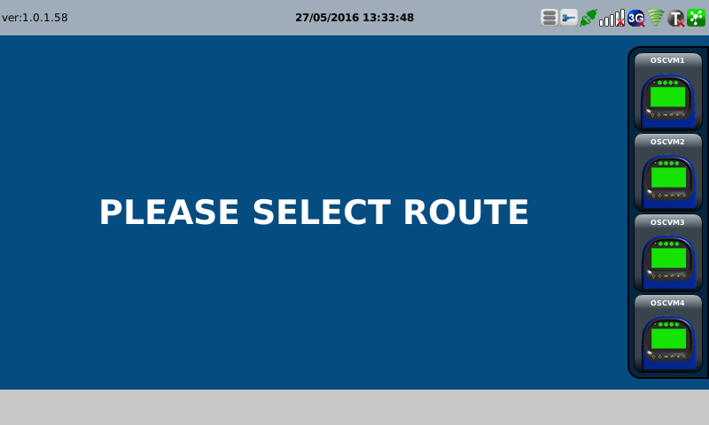



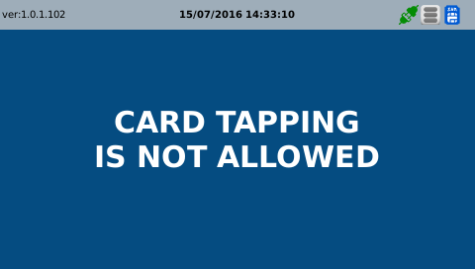
C

